MNW vs WEL package pathlines
with well casing above well
ID | x_coord_wel | z_coord_final_wel | flowline_discharge_wel | endpoint_id_wel | total_travel_time_WEL | x_coord_mnw | z_coord_final_mnw | flowline_discharge_wel | endpoint_id_wel | total_travel_time_MNW
0 | 1.3655 |  | 8.0137 | well1 |  | 1.3655 | 0.9999 | 0.1379 | well1 | 394.29965
1 | 3.347 |  | 18.959 | well1 |  | 3.347 | 0.9993 | 0.3347 | well1 | 407.89487
2 | 5.3285 |  | 28.5603 | well1 |  | 5.3285 | 0.9982 | 0.524 | well1 | 422.34714
3 | 7.3095 |  | 36.7024 | well1 |  | 7.3095 | 0.9967 | 0.7043 | well1 | 437.29922
4 | 9.2905 |  | 43.5177 | well1 |  | 9.2905 | 0.9948 | 0.8749 | well1 | 452.2358
5 | 11.2715 |  | 49.2367 | well1 |  | 11.2715 | 0.9924 | 1.036 | well1 | 466.87683
6 | 13.253 |  | 54.1092 | well1 |  | 13.253 | 0.9897 | 1.1891 | well1 | 481.11053
7 | 15.2345 |  | 58.2303 | well1 |  | 15.2345 | 0.9866 | 1.3333 | well1 | 494.90732 | MNW package pathlines | MNW package pathlines
8 | 17.2155 |  | 61.8158 | well1 |  | 17.2155 | 0.9831 | 1.4713 | well1 | 508.27917 | LOG | LINEAR
9 | 19.197 |  | 64.9723 | well1 |  | 19.197 | 0.9794 | 1.6041 | well1 | 521.26404
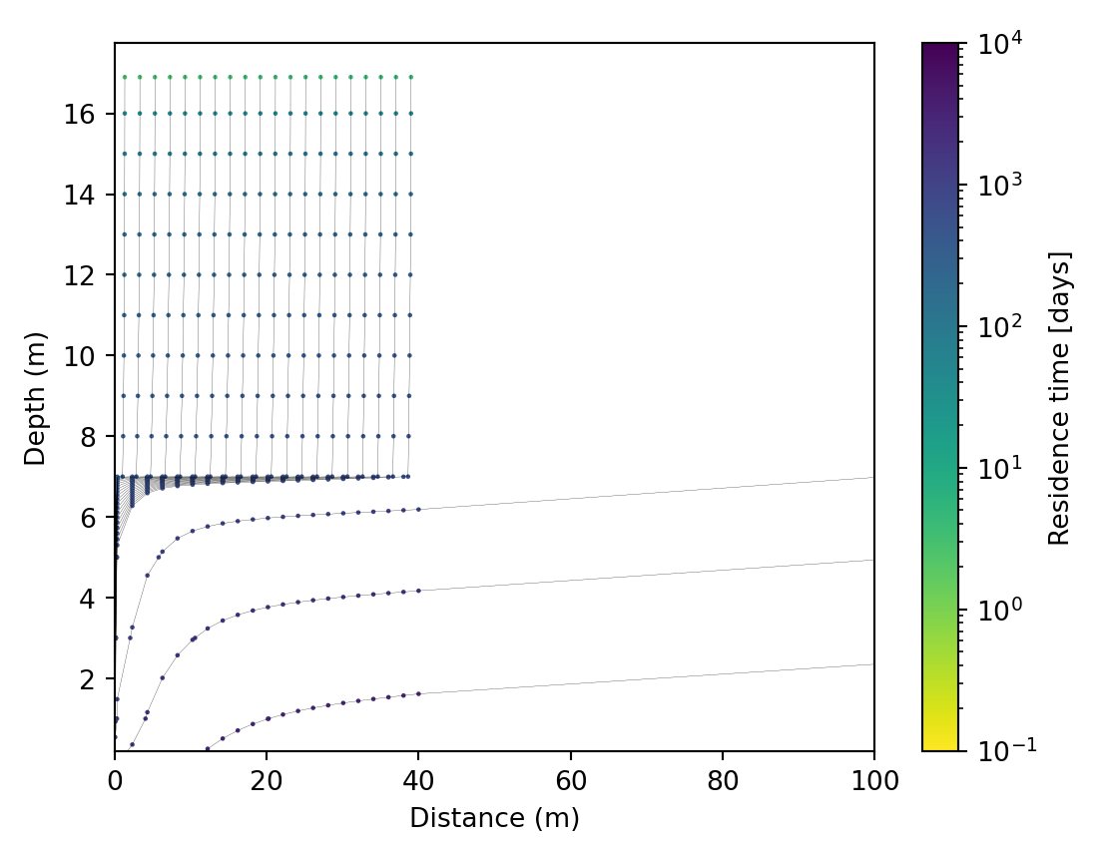
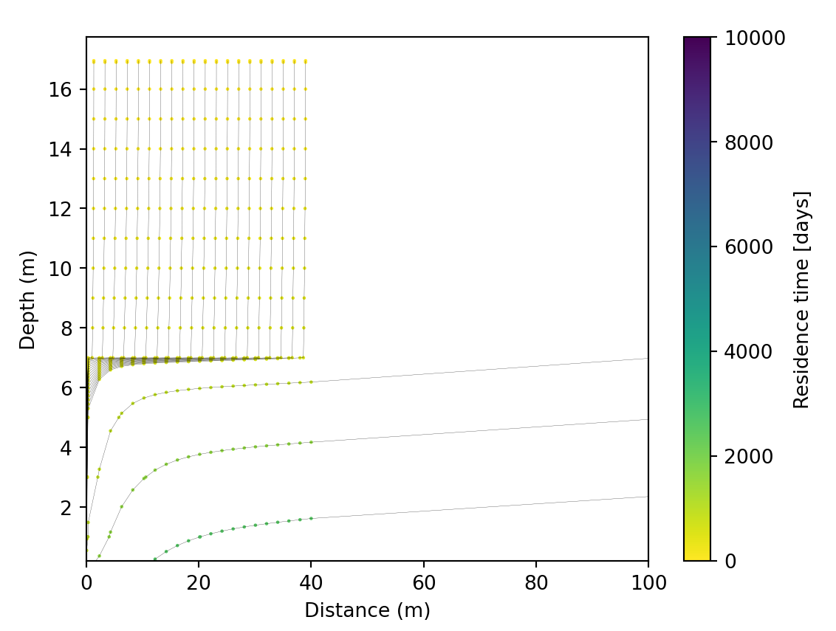
10 | 21.1785 |  | 67.6738 | well1 |  | 21.1785 | 0.9753 | 1.7301 | well1 | 533.89404
11 | 23.1595 |  | 70.0737 | well1 |  | 23.1595 | 0.9708 | 1.8521 | well1 | 546.20734
12 | 25.1405 |  | 72.1825 | well1 |  | 25.1405 | 0.9661 | 1.9698 | well1 | 558.2394
13 | 27.1215 |  | 74.0344 | well1 |  | 27.1215 | 0.9612 | 2.0838 | well1 | 570.0213
14 | 29.103 |  | 75.6957 | well1 |  | 29.103 | 0.9559 | 2.1953 | well1 | 581.582
15 | 31.0845 |  | 77.0746 | well1 |  | 31.0845 | 0.9504 | 2.3014 | well1 | 592.9495
16 | 33.0655 |  | 78.3052 | well1 |  | 33.0655 | 0.9446 | 2.4055 | well1 | 604.13837
17 | 35.047 |  | 79.407 | well1 |  | 35.047 | 0.9385 | 2.5081 | well1 | 615.18036
18 | 37.0285 |  | 80.2746 | well1 |  | 37.0285 | 0.9322 | 2.6054 | well1 | 626.0863
19 | 39.0095 |  | 81.0413 | well1 |  | 39.0095 | 0.9257 | 2.7015 | well1 | 636.87726
20 | 45.275 |  | 439.3987 | well1 |  | 101.7495 | 0.5423 | 308.9191 | well1 | 975.72485
21 | 55.825 |  | 442.5759 | well1 |  | 225.2485 | -0.3934 | 451.6071 | well1 | 1678.5664
22 | 66.375 |  | 435.98 | well1 |  | 348.7475 | -1.9329 | 513.5607 | well1 | 2622.6213
23 | 76.925 |  | 423.1435 | well1 |  | 472.2465 | -4.1092 | 534.1092 | well1 | 3881.943
24 | 87.475 |  | 406.4883 | well1 |  | 595.7455 | -6.4902 | 530.9358 | well1 | 5525.0923
25 | 98.0245 |  | 387.6883 | well1 |  | 719.2445 | -8.895 | 513.8905 | well1 | 7629.357 | WEL package pathlines | WEL package pathlines
26 | 108.574 |  | 368.0818 | well1 |  | 842.7435 | -11.2421 | 489.012 | well1 | 10284.872 | LOG | LINEAR
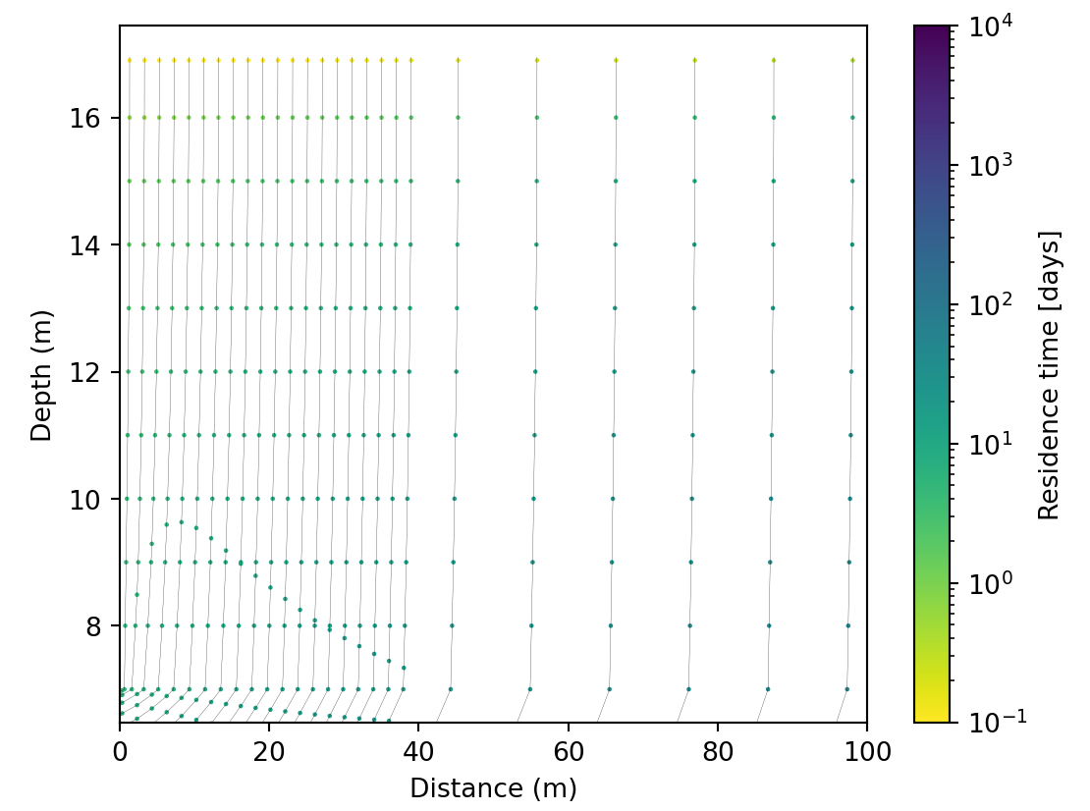
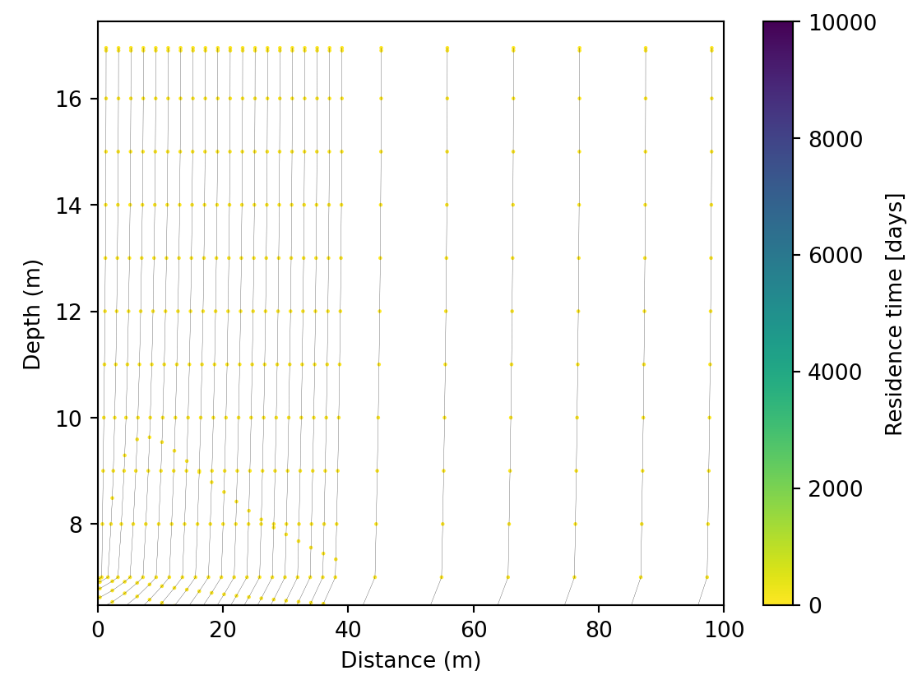
27 | 119.124 |  | 348.4539 | well1 |  | 966.2425 | -13.4845 | 460.1959 | well1 | 13598.022
28 | 129.674 |  | 329.503 | well1 |  | 1089.7415 | -15.6003 | 430.0308 | well1 | 17694.68
29 | 140.224 |  | 311.722 | well1 |  | 1213.2405 | -17.5822 | 400.2672 | well1 | 22724.527
30 | 150.774 |  | 295.4829 | well1 |  | 1336.7395 | -19.4315 | 372.1029 | well1 | 28867.582
31 | 161.324 |  | 281.0757 | well1 |  | 1460.2385 | -21.1556 | 346.3694 | well1 | 36344.684
32 | 171.874 |  | 268.7321 | well1 |  | 1583.7375 | -22.7666 | 323.6546 | well1 | 45436.4
33 | 182.424 |  | 258.6476 | well1 |  | 1707.2365 | -24.2786 | 304.3916 | well1 | 56519.023
34 | 192.974 |  | 250.9977 | well1 |  | 1830.7354 | -25.7082 | 288.9198 | well1 | 70137.4
35 | 203.5235 |  | 245.9282 | well1 |  | 1954.2344 | -27.074 | 277.5337 | well1 | 87159.555
36 | 214.073 |  | 243.6816 | well1 |  | 2077.7334 |  | 270.5178 | target_aquifer
37 | 224.623 |  | 244.3752 | well1 |  | 2201.2324 |  | 268.1768 | target_aquifer
38 | 235.173 |  | 248.2418 | well1 |  | 2324.7314 |  | 270.8607 | target_aquifer
39 | 245.723 |  | 255.5218 | well1 |  | 2448.2305 |  | 278.9862 | target_aquifer

